3-14
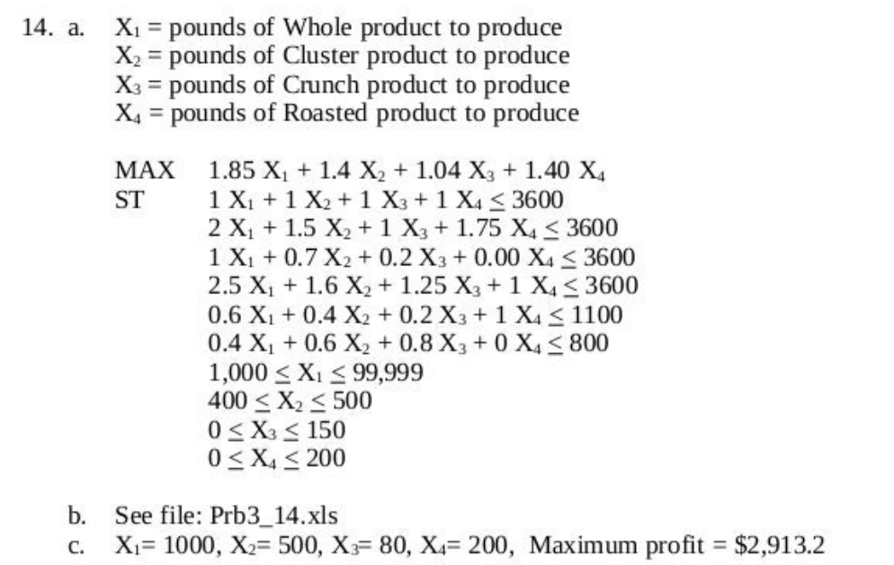
 |  |  |  |  |  |  |  |  | Objective
 |  |  |  |  |  |  |  |  | Constraint
 | Minutes Required per Pound |  |  |  |  |  |  |  | Optimized variable
Machine | Whole | Cluster | Crunch | Roasted | Used time | Available time
Hulling | 1.00 | 1.00 | 1.00 | 1.00 | 1780 | 3600.00
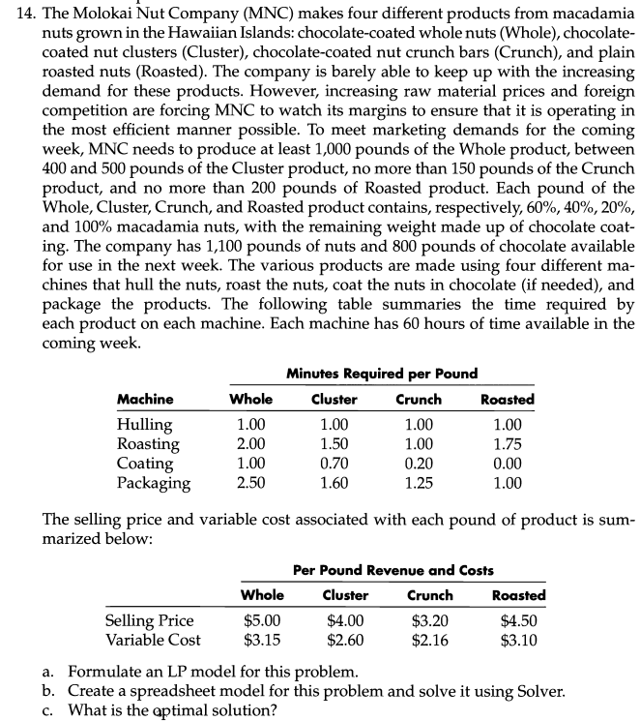
Roasting | 2.00 | 1.50 | 1.00 | 1.75 | 3180 | 3600.00
Coating | 1.00 | 0.70 | 0.20 | 0.00 | 1366 | 3600.00
Packaging | 2.50 | 1.60 | 1.25 | 1.00 | 3600 | 3600.00

 | Per Pound Revenue and Costs
 | Whole | Cluster | Crunch | Roasted | total amount
Selling Price | $5.00 | $4.00 | $3.20 | $4.50 | $8,156.00 |  | Total Profit | $2,913.20
Variable Cost | $3.15 | $2.60 | $2.16 | $3.10 | $5,242.80

 | Content by percentage of pounds
 | Whole | Cluster | Crunch | Roasted | Used pounds | Available pound
Nuts | 60% | 40% | 20% | 100% | 1016 | 1100
Chocolates | 40% | 60% | 80% | 0% | 764 | 800

 | Optimal Production in Pounds
 | Whole | Cluster | Crunch | Roasted
 | 1000 | 500 | 80 | 200
Pounds required | >=1000 | 400-500 | <=150 | <=200

3-15
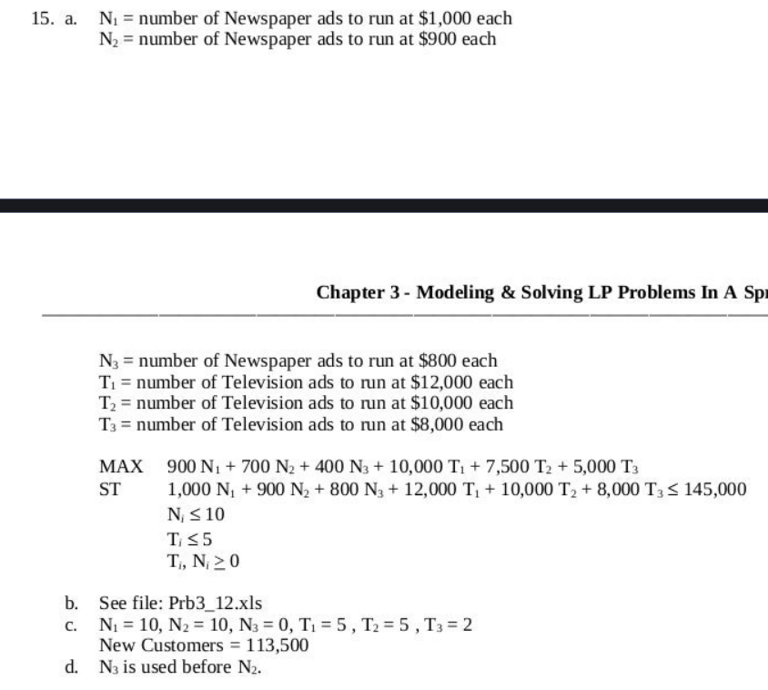
Media & # of Ads | # of New Customers Reached | Cost per Ad
 |  |  | Objective
Newspaper: 1—10 | 900 | $1,000 | Constraint
Newspaper: 11—20 | 700 | $900 | Optimized variable
Newspaper: 21—30 | 400 | $800
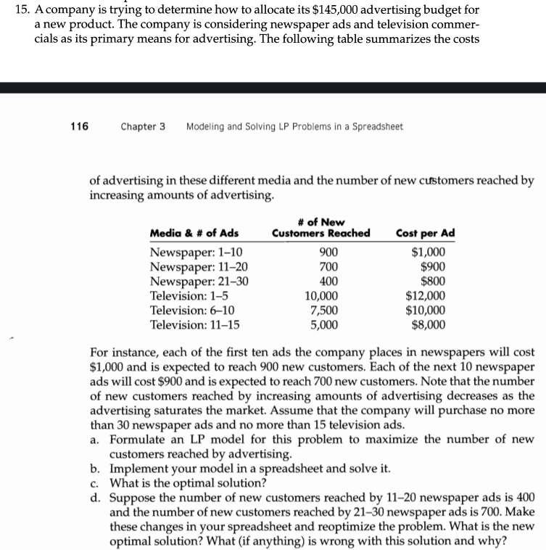
Television: 1—5 | 10,000 | $12,000
Television: 6—10 | 7,500 | $10,000
Television: 11—15 | 5,000 | $8,000

Media & # of Ads | # of New Customers Reached | Cost per Ad

10 | 9000 | $10,000
10 | 7000 | $9,000
0 | 0 | $0
5 | 50000 | $60,000
5 | 37500 | $50,000
2 | 10000 | $16,000
Total | 113500 | 145000

 | Available | 145000

3-18
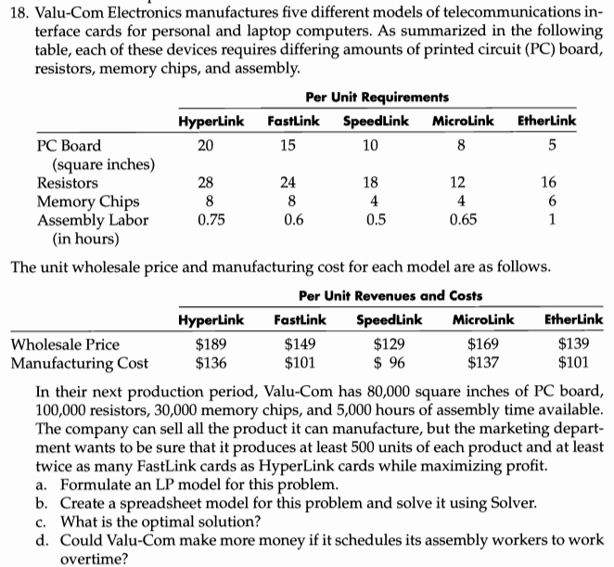
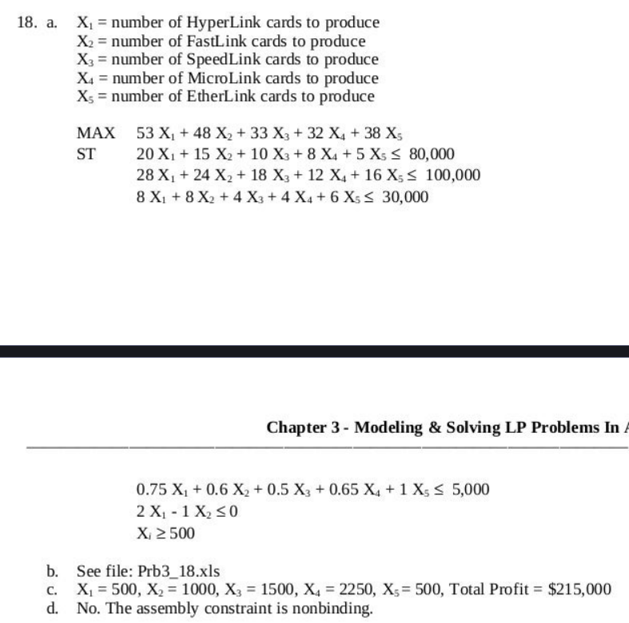
 |  |  | Per Unit Requirements |  |  |  |  |  |  |  |  | Objective
 |  | HyperLink | FastLink | SpeedLink | MicroLink | EtherLink | Used | Available |  |  |  | Constraint
 | PC Board(square inches) | 20 | 15 | 10 | 8 | 5 | 60500 | 80000 |  |  |  | Optimized variable
 | Resistors | 28 | 24 | 18 | 12 | 16 | 100000 | 100000
 | Memory Chips | 8 | 8 | 4 | 4 | 6 | 30000 | 30000
 | Assembly Labor(in hours) | 0.75 | 0.6 | 0.5 | 0.65 | 1 | 3687.5 | 5000

 | Number of products | 500 | 1000 | 1500 | 2250 | 500

 | Minimum to produce | 500 | 500 | 500 | 500 | 500

 | Another Constraint-- Fastlink>=2*Hyperlink | 500 | 1000

 |  |  | Per Unit Revenues and Costs |  |  |  | Total
 | Wholesale Price | $189 | $149 | $129 | $169 | $139 | $886,750.00 |  | Objective: | Total Profit | $215,000.00
 | Manufacturing Cost | $136 | $101 | $96 | $137 | $101 | $671,750.00

d) | No it won't make more money if it schedules its assembly workers to work overtime as the assembly constraint has not affected the total profit. The profit is limited by the number of items available required for the prodcuts.

3-21
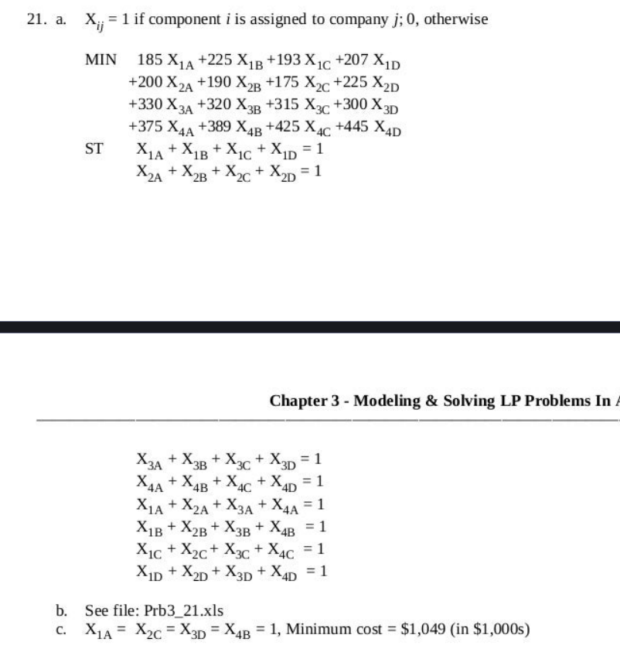
 |  | Bids by Companies(in $1 OOOs) for Various Subcontracts |  |  |  |  |  |  |  | Objective
 |  |  |  |  |  |  |  |  |  | Constraint
 |  |  |  | Company |  |  |  |  |  | Optimized variable
 | Component | A | B | C | D
 | 1 | 185 | 225 | 193 | 207
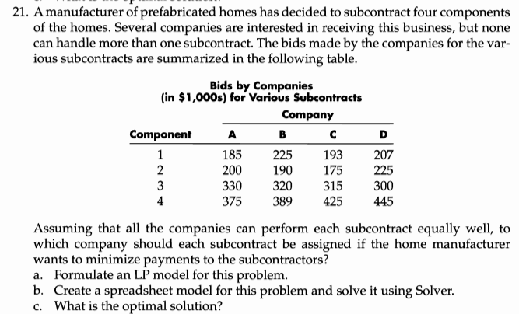
 | 2 | 200 | 190 | 175 | 225
 | 3 | 330 | 320 | 315 | 300 |  |  | Minimize
 | 4 | 375 | 389 | 425 | 445 |  | Objective: | Total cost | 1049

 | Selection of company for a given component
 | Component | A | B | C | D |  | Total
 | 1 | 1 | 0 | 0 | 0 | 1 | 1
 | 2 | 0 | 0 | 1 | 0 | 1 | 1
 | 3 | 0 | 0 | 0 | 1 | 1 | 1
 | 4 | 0 | 1 | 0 | 0 | 1 | 1
 |  | 1 | 1 | 1 | 1
 | Total | 1 | 1 | 1 | 1

c) | Hence, by selecting the company A,C,D and B for component 1,2,3 and 4 respectively we get the optimal solution for minimizing the payments to the subcontractors. The optimal payment is $1049000.

3-22
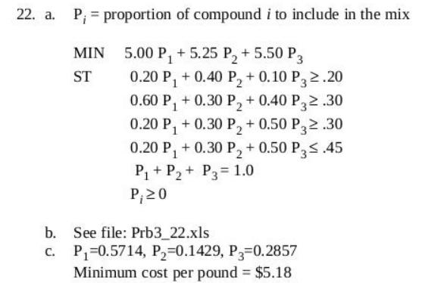
Compound | Sulfur | Iron Oxide | Potassium | Proportions to buy | Cost |  |  |  | Objective
1 | 20% | 60% | 20% | 0.57142857143 | $5.00 |  | Minimize |  | Constraint
2 | 40% | 30% | 30% | 0.14285714286 | $5.25 | Objective: | unit cost | $5.18 | Optimized variable
3 | 10% | 40% | 50% | 0.28571428571 | $5.50
 |  |  | Total | 1

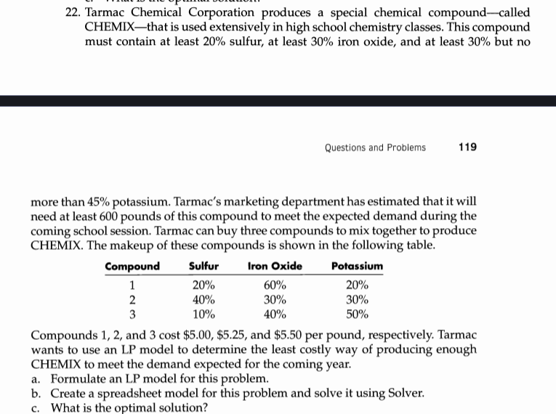
CHEMIX content
by % | 20% | 50% | 30% |  | 100%

Max percent | - | - | 45%
Min percent | 20% | 30% | 30%

3-24
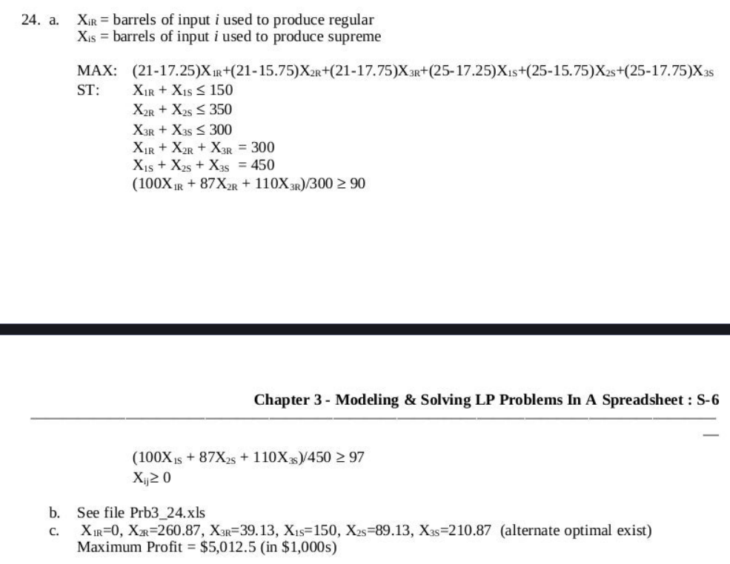
 | Input | Cost per Barrel | Octane Rating | Barrels Available (in 1000s) | Regular Barrel | Supreme Barrel | Barrles Used
 | 1 | $17.25 | 100 | 150 | 0 | 150 | 150 |  |  |  | Objective
 | 2 | $15.75 | 87 | 350 | 160.86956522 | 189.13043478 | 350 |  |  |  | Constraint
 | 3 | $17.75 | 110 | 300 | 139.13043478 | 110.86956522 | 250 |  |  |  | Optimized variable

 |  |  | Minimum Rating | Required | Optimal Production
 | Regular | $21.00 | 90 | 300 | 300 |  | Objective: | Total Profit | $5,012.50 | $5,012.50
 | Supreme | $25.00 | 97 | 450 | 450

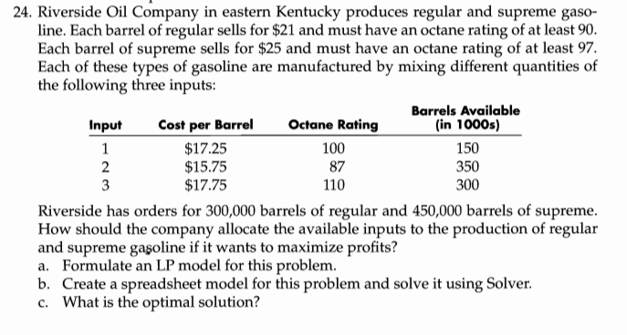
 |  |  | Mixed ratings
 |  | Regular | 97.666666667
 |  | Supreme | 97
c) | The optimal solution is given in red text with green fill in the above data. It gives maximum profit as $5012.5.

3-25
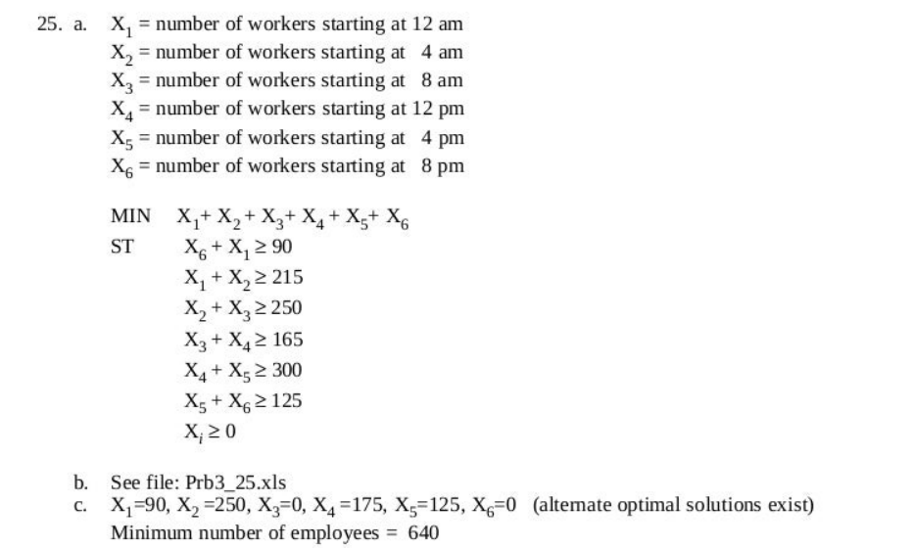
 | Time Period | Minimum Employees Needed | Required Employees | Total Employess in one shift | Objective
 | 12 a.m. to 4 a.m. | 90 | 90 | 90 | Constraint
 | 4 a.m. to 8 a.m. | 215 | 125 | 215 | Optimized variable
 | 8 a.m. to 12 p.m. | 250 | 125 | 250
 | 12 p.m. to 4 p.m. | 165 | 40 | 165
 | 4 p.m. to 8 p.m. | 300 | 260 | 300
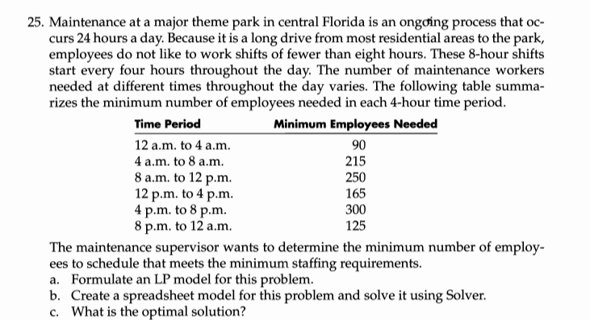
 | 8 p.m. to 12 a.m. | 125 | 0 | 260
 | Objective: Mminimize Total employees |  | 640

c) | The optimal solution is given in the Required Employees column in red text with green fill. The minimum number of employees in 640.

3-29
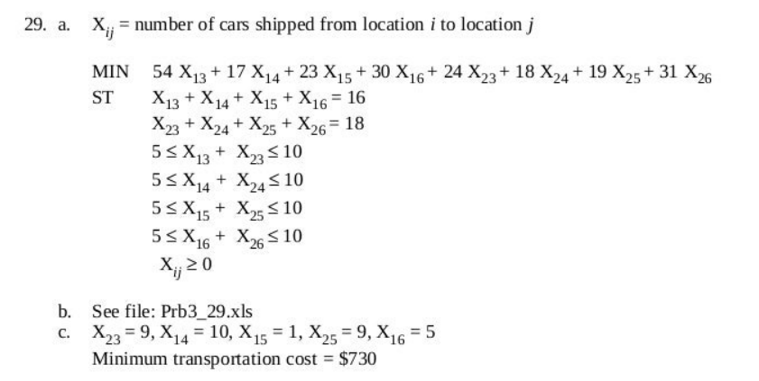
 |  | Costs of Transporting Cars Between Locations |  |  |  |  |  |  |  | Objective
 |  | Location 3 | Location 4 | Location 5 | Location 6 |  |  |  |  | Constraint
 | Location 1 | $54 | $17 | $23 | $30 |  |  |  |  | Optimized variable
 | Location 2 | $24 | $18 | $19 | $31

 |  | Numbers of cars going from 1 and 2
 |  | Location 3 | Location 4 | Location 5 | Location 6 | Total | Surplus
 | Location 1 | 0 | 10 | 1 | 5 | 16 | 16 |  | Minimize
 | Location 2 | 9 | 0 | 9 | 0 | 18 | 18 | objective: | Total cost | $730.00
 | total | 9 | 10 | 10 | 5 | 34 | 34

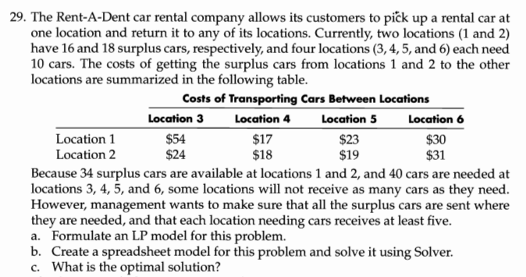
 | Min cars | 5 | 5 | 5 | 5
 | Max cars | 10 | 10 | 10 | 10

c) | Hence the optimal solution is given in the table Numbers of cars going from 1 and 2 in the red text with green fill. The optimal cost with these number of cars is $730.

3-30
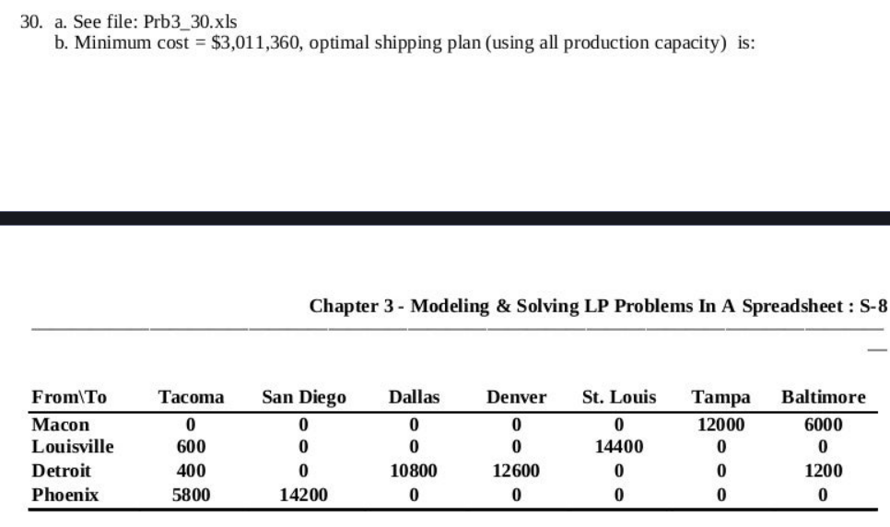
 |  |  |  |  |  |  |  |  |  |  |  | Objective
 |  | Unit Shipping Cost to Distributor in |  |  |  |  |  |  |  |  |  | Constraint
 | Plants | Tacoma | San Diego | Dallas | Denver | St. Louis | Tampa | Baltimore | Per unit cost of Production | Annual Production Capacity |  | Optimized variable
 | Macon | $2.50 | $2.75 | $1.75 | $2.00 | $2.10 | $1.80 | $1.65 | $35.50 | 18000
 | Louisville | $1.85 | $1.90 | $1.50 | $1.60 | $1.00 | $1.90 | $1.85 | $37.50 | 15000
 | Detroit | $2.30 | $2.25 | $1.85 | $1.25 | $1.50 | $2.25 | $2.00 | $39.00 | 25000
 | Phoenix | $1.90 | $0.90 | $1.60 | $1.75 | $2.00 | $2.50 | $2.65 | $36.25 | 20000
 | Demand | 8,500 | 14,500 | 13,500 | 12,600 | 18,000 | 15,000 | 9,000
 | 80% Demand | 6800 | 11600 | 10800 | 10080 | 14400 | 12000 | 7200

 |  | Numbers shipped from plants after manufacturing
 | Plants | Tacoma | San Diego | Dallas | Denver | St. Louis | Tampa | Baltimore | Total numbers manufactured
 | Macon | 0 | 0 | 0 | 0 | 0 | 12000 | 6000 | 18000 |  |  |  | Minimize
 | Louisville | 600 | 0 | 0 | 0 | 14400 | 0 | 0 | 15000 | Total Shippng cost | $109,860.00 | Objective: | Total cost | $3,011,360.00
 | Detroit | 400 | 0 | 10800 | 12600 | 0 | 0 | 1200 | 25000 | Total Manufacturing cost | $2,901,500.00
 | Phoenix | 5800 | 14200 | 0 | 0 | 0 | 0 | 0 | 20000
 | Total shipped | 6800 | 14200 | 10800 | 12600 | 14400 | 12000 | 7200

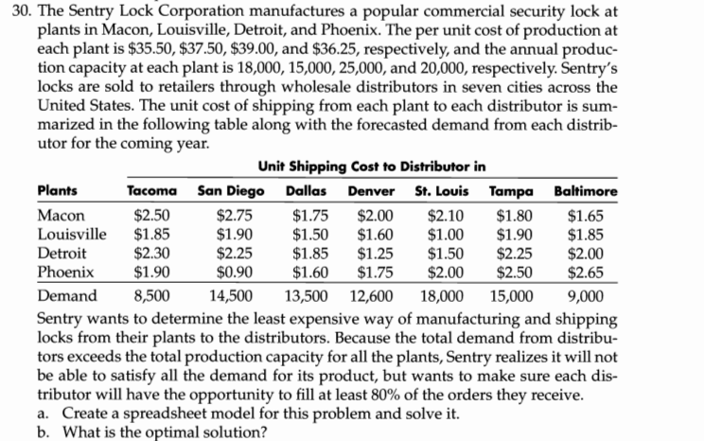
b) | Hence the optimal solution is given in the table Numbers shipped from plants after manufacturing in the red text with green fill. The optimal cost with these numbers is $3,011,360.

